Uitgangspunten model
Schematische weergave model

2R-2C | model
 | Used for insulated terraced dwellings and apartments

C₁
C₂
R₁
R₂
C₁
R₂
R₁
C₂

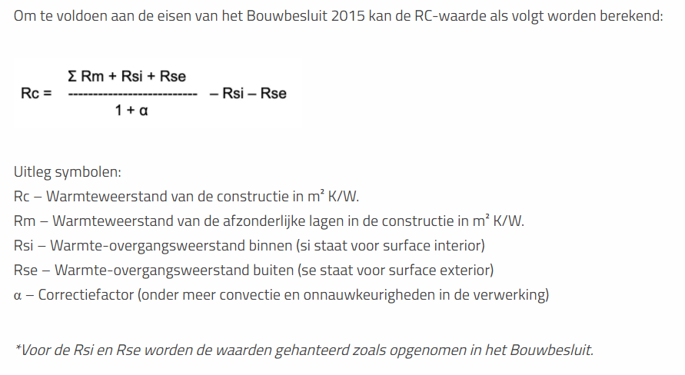

 |  |  |  |  |  |  |  | Rsi and Rse values:
 |  |  |  |  |  |  |  | Accordingly, to EN ISO 6946 : 2007

 |  | T_air_1 | T_wall
 |  |  |  |  |  | https://www.takkenkamp.com/kennisbank/rc-waarde/ | Same rc waarde calcumaltion method also in NEN1068
 |  |  |  |  |  | http://lanten.nl/bouwbesluit_2012/rc-waarde-berekenen/ | Alpha (correction factor) normally set at 5%
 |  | R_air outdoor | R1 | Is thermal resistance of shell | Lumped' Resistance includes:
 |  |  |  |  | · Windows
 |  |  |  |  | · Façade walls (including insulation)
 |  |  |  |  | · Roof (including insulation)
 |  |  |  |  | · Ground floor (including insulation)
 |  |  |  |  | · Ventilation (with heat recovery)
 |  |  |  |  | · Air infiltrations (infiltration and natural ventilation together)
 |  |  |  |  | Note: Rso currently is not considered

 |  |  |  |  | Internal capacity
 |  | C_air | C1 | Capacity of inner side insulated walls | · Indoor air capacity (for the indoor volume of air)
 |  |  |  |  | · + Capacity of the internal side of the envelope (roof+façade walls 15mm plaster layer).
 |  |  |  |  | · + internal partition walls (2x15mm plaster)
 |  |  |  |  | If this is the internal capacity, why is it located before R2 (internal surface resistance) and C2 (structural materials capacity)?

 |  | R_wall | R2 | Is thermal resistance between inside air and construction | = Rsi/A (Inside surfaces resistance. Taking into account convection and radiation on surface)
 |  |  |  |  | Note:
 |  |  |  |  | · Missing the area of the facades-walls
 |  |  |  |  | · Missing area of roof
 |  |  |  |  | · Areas of interior partitions (such as attic, floor between g.f. and 1st-floor and walls bordering with other houses, could be considered adiabatic and neglected)
 |  |  |  |  | · The used Rsi (=0,13 m2K/W) is valid only for horizontal heat transfer (i.e., vertical walls). Here it is applied also for vertical heat exchange (I.e., floor and roof).

 |  | C_wall | C2 | Thermal capacity of load bearing structuire | Thermal capacity of load-bearing construction (here concrete), including:
 |  |  |  |  | · Ground floor
 |  |  |  |  | · Intermediate floor (between ground and 1st floor)
 |  |  |  |  | · Attic floor
 |  |  |  |  | · Perimeter-wall, bordering other houses (so not insulated and without heat transfer as not bordering with outdoor temperature Te but with another heated environment)

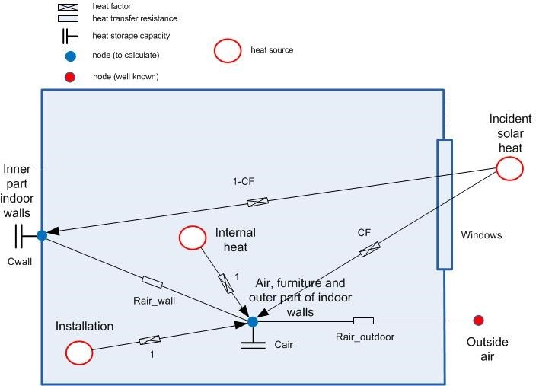
 |  |  |  |  | For suggestions on how to further implement this model see Luca's report, Paragraph '7. Possible implementations for the HAN model'

YAML_XLS
# prepare YAML file with physical description of the model
# ---------------------------------------------------------------------------------------------------------
# xxxxxxxxxxxxxxxxxxxxxxxxxxxxxxxxxxxxxxxxxxxxxxxxxxxxxxxxxxxxxxxxxxxxxxxxxxxxxxxxxxxxxxxxxxxxxxxxxxxxxxxxx
# ---------------------------------------------------------------------------------------------------------
# General setting
---
Identifier: | Definition file created by HAN
Date: | 2021-02-25
#
# Climatefile with description of temperatures humidity and solar irradiation
Climatefile: | ..\..\NEN5060.xls
# Default simulation time in
Timescale: | hrs | # default timescale used in yaml file
Duration: | 8760 | # a year in the defined timescale
Timestep: | 1 | # default timestep in time integration. Required until new integration subroutine is implemented

chains:
-
 | designation: | 2R2C, 1-node
 | anchor: | climate | # De warmte-overdrachtsketen start bij de buitentemperatuur
 | links:
 | -
 |  | Name: | Internals
 |  | Conductance: | 90.736213511 | # W/K : 1/R1 | I can not check how it is used afterwards, but keep in mind, that normally the following applys:
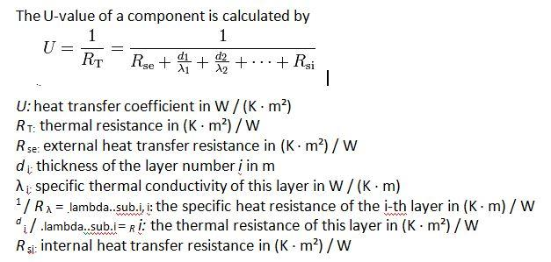
 |  | Capacity: | 2.70E+06 | # J/K: C1
 | -
 |  | Name: | Load_bearing_constructon
 |  | Conductance: | 3000 | # W/K: 1/R2
 |  | Capacity: | 1.11E+08 | # J/K: C2

 | Solar_irradiation:
 | -
 |  | Designation: | Front_facade
 |  | Effective Area: | 6.755 | # m2 (glass surface x ZTA ) | Images source: https://www.ecomerchant.co.uk/news/u-values-for-dummies/
 |  | Surfaces:
 |  | - [ | name: | internals | factor: | 0.8 | ] | # Meeste zon komt direct in het interieur, Paul heeft hier al wat anders voor. Let op: Overleg gewenst!
 |  | - [ | name: | Load_bearing_constructon | factor: | 0.2 | ] | # Klein deel warmt de dragende wanden op
 |  | Tilt: | 0 | # degrees
 |  | Azimuth: | 0 | # degrees N = 0
 | -
 |  | Designation: | Back
 |  | Effective Area: | 9.65 | # m2 (glass surface x ZTA )
 |  | Surfaces:
 |  | - [ | link: | internals | factor: | 0.8 | ]
 |  | - [ | link: | Load_bearing_constructon | factor: | 0.2 | ]
 |  | Tilt: | 88.429203673 | # degrees
 |  | Azimuth: | 180 | # degrees N = 0
 | Sources:
 | -
 |  | name: | Internal load

 |  | - [ | link: | internals | factor: | 1 | ]
 |  | Set_time: | [ | 0 | , | 23 | ]
 |  | Set_load: | [ | 634 | , | 634 | ]

 | Heating:
 | - | Description: | Radiators
 |  | C: | 1105.5106029 | # W
 |  | n: | 1.3
 |  | Flow | 300 | W/K
 |  | Location:
 |  | - [ | link: | internals | factor: | 0.85 | ] | # Radiator warmte vooral de ruimte op
 |  | - [ | link: | Load_bearing_constructon | factor: | 0.15 | ] | # Een klein aandeel warmte de draghende muren op
 | Control:
 |  | Type: | PID
 |  | Param: | [ | 5000 | ] | # Parameters for control
 |  | Link: | internals
 |  | Scale: | hrs
 |  | Set_time: | [ | 0 | , | 23 | ]
 |  | Set_temp: | [ | 20 | , | 20 | ]
 | Heater:
 |  | Type: | Condensing Boiler
 |  | Power: | 26 | # kW
 |  | Modulation: | 0.15
 |  | Min_time: | 180 | # s

Grafieken
Grafieken resultaten

Internals
 | T_0
0 | 20
3600 | 19.770967339
7200 | 19.656057147
10800 | 19.621667554
14400 | 19.582348325
18000 | 19.549297449
21600 | 19.508473384
25200 | 19.484467478
28800 | 19.888305495
32400 | 19.891455721
36000 | 19.897350658
39600 | 19.914802091
43200 | 19.91334533
46800 | 19.912378745
50400 | 19.919518279
54000 | 19.918568343
57600 | 19.91919362
61200 | 19.923070645
64800 | 19.924187942
68400 | 19.925030541
72000 | 19.928845175
75600 | 19.932231418
79200 | 19.925417267
82800 | 19.703390271
86400 | 19.675477406
90000 | 19.470752392
93600 | 19.618757707
97200 | 19.593817726
100800 | 19.599483267
104400 | 19.587812688
108000 | 19.583901978
111600 | 19.564743548
115200 | 19.905758636
118800 | 19.92561109
122400 | 19.925610411
126000 | 19.949714621
129600 | 19.953749566
133200 | 19.961962288
136800 | 19.960277281
140400 | 19.955755163
144000 | 19.952220844
147600 | 19.953379936
151200 | 19.952885861
154800 | 19.9541467
158400 | 19.953846611
162000 | 19.956508619
165600 | 19.951409982
169200 | 19.82567462
172800 | 19.800494579
176400 | 19.58360817
...
Load_bearing_construction
 | T_1
0 | 20
3600 | 19.770967339
7200 | 19.656057147
10800 | 19.621667554
14400 | 19.582348325
18000 | 19.549297449
21600 | 19.508473384
25200 | 19.484467478
28800 | 19.888305495
32400 | 19.891455721
36000 | 19.897350658
39600 | 19.914802091
43200 | 19.91334533
46800 | 19.912378745
50400 | 19.919518279
54000 | 19.918568343
57600 | 19.91919362
61200 | 19.923070645
64800 | 19.924187942
68400 | 19.925030541
72000 | 19.928845175
75600 | 19.932231418
79200 | 19.925417267
82800 | 19.703390271
86400 | 19.675477406
90000 | 19.470752392
93600 | 19.618757707
97200 | 19.593817726
100800 | 19.599483267
104400 | 19.587812688
108000 | 19.583901978
111600 | 19.564743548
115200 | 19.905758636
118800 | 19.92561109
122400 | 19.925610411
126000 | 19.949714621
129600 | 19.953749566
133200 | 19.961962288
136800 | 19.960277281
140400 | 19.955755163
144000 | 19.952220844
147600 | 19.953379936
151200 | 19.952885861
154800 | 19.9541467
158400 | 19.953846611
162000 | 19.956508619
165600 | 19.951409982
169200 | 19.82567462
172800 | 19.800494579
176400 | 19.58360817
...

Internals
 | T_0
0 | 0
3600 | 0
7200 | 0
10800 | 0
14400 | 0
18000 | 0
21600 | 0
25200 | 0
28800 | 0
32400 | 7.059556703
36000 | 22.163868636
39600 | 44.984578547
43200 | 41.596026641
46800 | 22.155004897
50400 | 9.3884444176
54000 | 3.5214473831
57600 | 0
61200 | 0
64800 | 0
68400 | 0
72000 | 0
75600 | 0
79200 | 0
82800 | 0
86400 | 0
90000 | 0
93600 | 0
97200 | 0
100800 | 0
104400 | 0
108000 | 0
111600 | 0
115200 | 12.837332971
118800 | 109.6791141
122400 | 145.06652357
126000 | 141.75298904
129600 | 127.1003401
133200 | 116.79199133
136800 | 20.126356914
140400 | 0.88985058748
144000 | 0
147600 | 0
151200 | 0
154800 | 0
158400 | 0
162000 | 0
165600 | 0
169200 | 0
172800 | 0
176400 | 0
...
Load_bearing_construction
 | T_0
0 | 0
3600 | 0
7200 | 0
10800 | 0
14400 | 0
18000 | 0
21600 | 0
25200 | 0
28800 | 0
32400 | 1.7648891757
36000 | 5.540967159
39600 | 11.246144637
43200 | 10.39900666
46800 | 5.5387512242
50400 | 2.3471111044
54000 | 0.88036184578
57600 | 0
61200 | 0
64800 | 0
68400 | 0
72000 | 0
75600 | 0
79200 | 0
82800 | 0
86400 | 0
90000 | 0
93600 | 0
97200 | 0
100800 | 0
104400 | 0
108000 | 0
111600 | 0
115200 | 3.2093332428
118800 | 27.419778524
122400 | 36.266630893
126000 | 35.438247261
129600 | 31.775085025
133200 | 29.197997833
136800 | 5.0315892284
140400 | 0.22246264687
144000 | 0
147600 | 0
151200 | 0
154800 | 0
158400 | 0
162000 | 0
165600 | 0
169200 | 0
172800 | 0
176400 | 0
...

Internals
 | Internal_0
0 | 634
3600 | 634
7200 | 634
10800 | 634
14400 | 634
18000 | 634
21600 | 634
25200 | 634
28800 | 634
32400 | 634
36000 | 634
39600 | 634
43200 | 634
46800 | 634
50400 | 634
54000 | 634
57600 | 634
61200 | 634
64800 | 634
68400 | 634
72000 | 634
75600 | 634
79200 | 634
82800 | 634
86400 | 0
90000 | 634
93600 | 634
97200 | 634
100800 | 634
104400 | 634
108000 | 634
111600 | 634
115200 | 634
118800 | 634
122400 | 634
126000 | 634
129600 | 634
133200 | 634
136800 | 634
140400 | 634
144000 | 634
147600 | 634
151200 | 634
154800 | 634
158400 | 634
162000 | 634
165600 | 634
169200 | 634
172800 | 0
176400 | 634
...
Load_bearing_construction
 | Internal_0
0 | 0
3600 | 0
7200 | 0
10800 | 0
14400 | 0
18000 | 0
21600 | 0
25200 | 0
28800 | 0
32400 | 0
36000 | 0
39600 | 0
43200 | 0
46800 | 0
50400 | 0
54000 | 0
57600 | 0
61200 | 0
64800 | 0
68400 | 0
72000 | 0
75600 | 0
79200 | 0
82800 | 0
86400 | 0
90000 | 0
93600 | 0
97200 | 0
100800 | 0
104400 | 0
108000 | 0
111600 | 0
115200 | 0
118800 | 0
122400 | 0
126000 | 0
129600 | 0
133200 | 0
136800 | 0
140400 | 0
144000 | 0
147600 | 0
151200 | 0
154800 | 0
158400 | 0
162000 | 0
165600 | 0
169200 | 0
172800 | 0
176400 | 0
...

Internals
 | Heating_0
0 | 0
3600 | 0
7200 | 0
10800 | 0
14400 | 0
18000 | 0
21600 | 0
25200 | 0
28800 | 0
32400 | 0
36000 | 0
39600 | 0
43200 | 0
46800 | 0
50400 | 0
54000 | 0
57600 | 0
61200 | 0
64800 | 0
68400 | 0
72000 | 0
75600 | 0
79200 | 0
82800 | 0
86400 | 0
90000 | 0
93600 | 0
97200 | 0
100800 | 0
104400 | 0
108000 | 0
111600 | 0
115200 | 0
118800 | 0
122400 | 0
126000 | 0
129600 | 0
133200 | 0
136800 | 0
140400 | 0
144000 | 0
147600 | 0
151200 | 0
154800 | 0
158400 | 0
162000 | 0
165600 | 0
169200 | 0
172800 | 0
176400 | 0
...
Load_bearing_construction
 | Heating_0
0 | 40
3600 | 19.986712851
7200 | 19.67662451
10800 | 19.620606971
14400 | 19.575133052
18000 | 19.532271083
21600 | 19.54035801
25200 | 20.012042338
28800 | 24.041147143
32400 | 23.879948704
36000 | 23.774539909
39600 | 23.729422236
43200 | 23.235683085
46800 | 23.125331271
50400 | 23.001806998
54000 | 23.034601648
57600 | 22.954081532
61200 | 22.898219432
64800 | 22.837436436
68400 | 22.753574807
72000 | 22.666356164
75600 | 22.505053857
79200 | 21.803416434
82800 | 19.728611404
86400 | 19.696333551
90000 | 19.472626914
93600 | 19.58816924
97200 | 19.582034715
100800 | 19.580779109
104400 | 19.574303438
108000 | 19.59300551
111600 | 20.530273414
115200 | 23.482603646
118800 | 23.087126182
122400 | 21.711091461
126000 | 21.975154595
129600 | 21.874306535
133200 | 21.558988348
136800 | 21.544293266
140400 | 21.803573717
144000 | 21.723548447
147600 | 21.804526236
151200 | 21.771234514
154800 | 21.768790917
158400 | 21.680859218
162000 | 21.598880382
165600 | 20.817703459
169200 | 19.839395066
172800 | 19.815998732
176400 | 19.597379406
...

